Sheet1
 | Sales
Publisher | Jan | Feb
Nintendo | 242 | 232
Super Mario Bros. | 231 | 246
Tetris | 254 | 257
Pac-Man | 236 | 238
FIFA 16 | 226 | 249

 | Sales
Publisher | Jan | Feb | March
Nintendo | 242 | 232 | 256
Super Mario Bros. | 231 | 246 | 260
Tetris | 254 | 257 | 255
Pac-Man | 236 | 238 | 256
FIFA 16 | 226 | 249 | 242

HomeWork
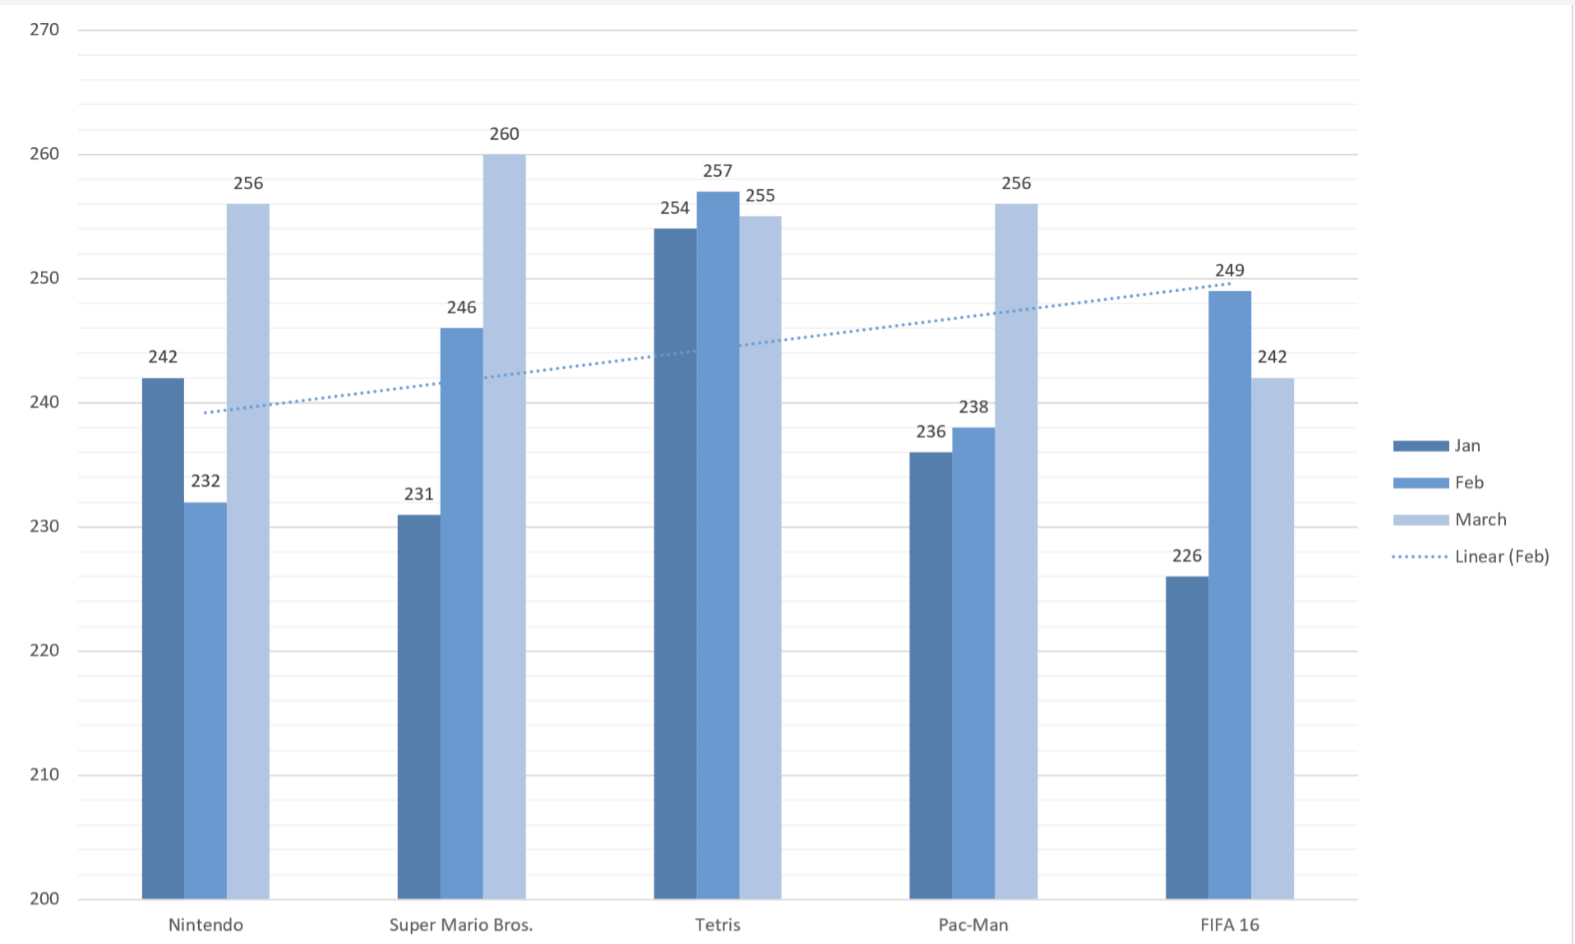
Publisher Sales Data
Publisher | Months
 | Jan | Feb | March
Nintendo | 242 | 232 | 256
Super Mario Bros. | 231 | 246 | 260
Tetris | 254 | 257 | 255
Pac-Man | 236 | 238 | 256
FIFA 16 | 226 | 249 | 242

1 | Insert a clustered column Chart for the above data
2 | Set the Chart Title as "Sales" using the formula bar
3 | Add the following Chart Elements
 | a) | Axis Titles
 |  | Set Axis Titles as "Publisher" and "Months" using the formula bar
 | b) | Data Label
 | c) | Add Trendline only to the "Feb" Data Series
4 | Show Legend on the Right
5 | Show Major and Minor Gridlines. Hint: (Check Quick Layout)
6 | Set the theme as Monochromatic Palette 5
7 | Move Chart as Independent Chart Sheet

NOTE: While setting the layout, the chart may reset but add the elements again. Or better, the moment the chart is created, set the layout

